Course Option
 | Index: = Program Default, = Available Select, X = Not Available, = Selection Order
Default Program
Buttons/ Process | Select Contents | Program Default Avaliable Selection for Each Program Courses
 |  | Regular | Quick | Heavy | Baby Care | Cotton | Delicates | Wool | Quick Rinse | Jeans | Blanket | Tub Clean | Sports Wear
Weight Detection - cancelled when WL is manually selected |  |  |  |  |  |  | X | X |  |  | X | X
Water Temp. | Cold
 | Warm |  | X |  |  |  |  | X
 | Hot |  | X |  |  |  | X | X |  |  |  |  | X
Wash Time* | 3 min |  |  |  |  |  |  |  |  |  |  | X
 | 9 min |  |  |  |  |  |  |  |  |  |  | X
 | 12 min |  |  |  |  |  |  | X |  |  |  | X
 | 18 min |  |  |  |  |  |  | X |  |  |  | X
Rinse Times | 1 time |  |  |  |  |  |  |  |  |  |  | X
 | 2 times |  |  |  |  |  |  |  |  |  |  | X
 | 3 times |  |  |  |  |  |  | X |  |  |  | X
Spin Time | 1 min |  |  |  |  |  |  |  |  |  |  | X
 | 5 min |  |  |  |  |  |  |  |  |  |  | X
 | 9 min |  | X |  |  |  | X | X |  |  |  | X | X
 | 20 min (SS) |  | X |  |  |  | X | X |  |  |  | X | X
Water Level | LEV-1 |  |  |  |  |  | X | X |  |  |  | X
 | LEV-2 |  |  |  |  |  | X | X |  |  |  | X
 | LEV-3 |  |  |  |  |  |  |  |  |  |  | X
 | LEV-4 |  |  |  |  |  |  |  |  |  |  | X
Soak | 1 hour |  | X |  |  |  |  | X |  |  |  | X
 | 2 hours |  | X |  |  |  |  | X |  |  |  | X
 | 4 hours |  | X |  |  |  |  | X |  |  |  | X
Anti-Wrinkle | 2 min |  | X |  |  |  | X | X |  |  | X | X | X
Delay Start (1 hour - 12 hour)

*For programs with weight detection:
when weight detection leads to selecting water level 1 default wash time will change (refer to sequence charts tab)

Water Levels
Sharp VE BLDC 11/13kg

Display Water Level | Water Amount (L) | Load (kg)
1 | 28 | 0_2 |  | y = 21.6x + 6.5
2 | 50 | 3_5
3 | 71 | 6_8 | 1 | 28
4 | 93 | 9_13 | 2 | 50
 |  |  | 3 | 71
 |  |  | 4 | 93

Spin Control Specs
A. Spin Control for all Courses Except (Delicates, Wool & Sports Wear) |  |  |  |  |  | Spin Specs:
1 min spin |  | 5 min spin |  | 9 min spin |  | Spin pause period after reaching reset water level:
Time (sec) | RPM | Time (sec) | RPM | Time (sec) | RPM | 150sec
0 | 0 | 0 | 0 | 0 | 0 | In case of water level frequency at the beginning of spin equals or not equals reset water level
15 | 300 | 15 | 300 | 15 | 300
35 | 300 | 35 | 300 | 35 | 300 | Spin End:
155 | 600 | 155 | 600 | 155 | 600 | No breaking - free fall after reaching spin end time
160 | 600 | 160 | 600 | 160 | 600 | Clutch Change (Breaking):
180 | 700 | 180 | 700 | 180 | 700 | After RPM sensor stop signal, shift 20sec
240 | 700 | 480 | 700 | 720 | 700
Regular Spin
 |  |  |  |  |  | Pause State:
 |  |  |  |  |  | When a user presses pause button during spining twice:
 |  |  |  |  |  | Spin has to restart again from the balance spin period

 |  |  |  |  |  | Time displayed:
 |  |  |  |  |  | Time remaining for the spining will not be modified

B. Spin Control for Delicates, Wool & Sports Wear Courses
1 min spin |  | 5 min spin |  | 9 min spin
Time (sec) | RPM | Time (sec) | RPM | Time (sec) | RPM
0 | 0 | 0 | 0 | 0 | 0
15 | 300 | 15 | 300 | 15 | 300
35 | 300 | 35 | 300 | 35 | 300
155 | 400 | 155 | 400 | 155 | 400
240 | 400 | 480 | 400 | 720 | 400
Delicate Spin

Unbalance Protocol
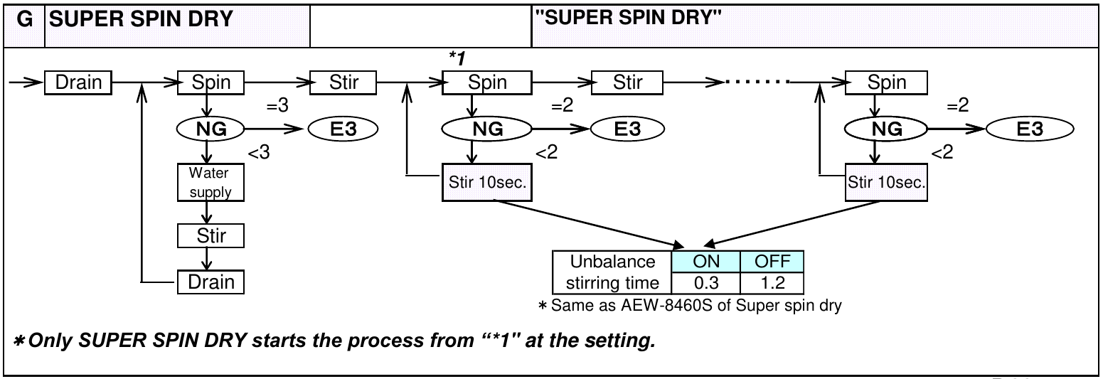

WD
Table 2

Weight detection |  | Display |  |  |  |  |  |  |  |  |  |  |  |  |  |  |  |  |  |  |  |  | Matrix LED | Sound | OPERATION | NOTES
 |  | Programs LED/Switches |  |  |  |  |  |  |  |  |  |  |  | Function LEDs |  |  |  |  |  |  | Child lock LED | Anti-Wrinkle | 7 Segments | Melody

 |  | Regular | Quick | Heavy | Baby Care | Cotton | Delicates | Wool | Quick Rinse | Jeans | Blankets | Tub Clean | Sports Wear | Water Level |  |  |  | Wash Time | Rinse | Spin
 |  |  |  |  |  |  |  |  |  |  |  |  |  | lvl 1 | Lvl2 | Lvl 3 | lvl 4 | LED | LED | LED
Weight Detection | Before WD | Not affected |  |  |  |  |  |  |  |  |  |  |  |  |  |  |  | Not affected |  |  |  |  | Displays approximate duration for Hoovered Program
 | During WD |  |  |  |  |  |  |  |  |  |  |  |  | Once weight detection starts level LEDS will form a pattern going up and down. Each LED will light up seperatly. Starting from bottom to top then top to bottom and Repeat till weight is detected. One full pattern cycle takes 1.5 SEC. The first LED will light up at 100% opacity as it fades out , the next LED in the sequence will begin to fade in, increasing to 100% opacity. |  |  |  |  |  |  |  |  | dashes will be shown as follows: |  |  | 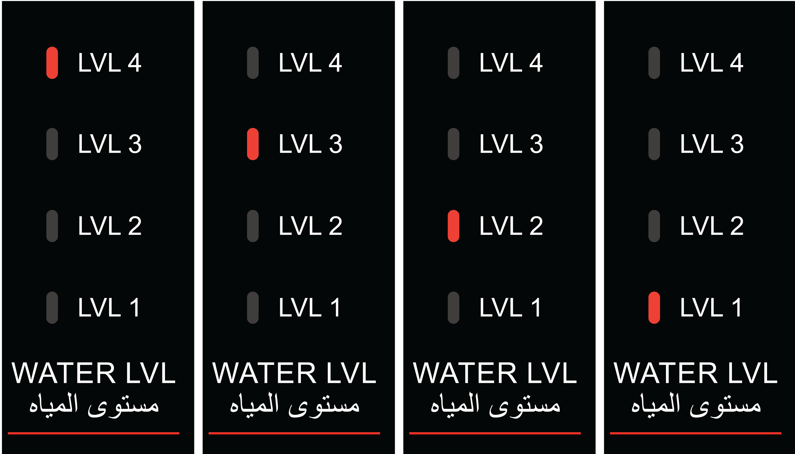 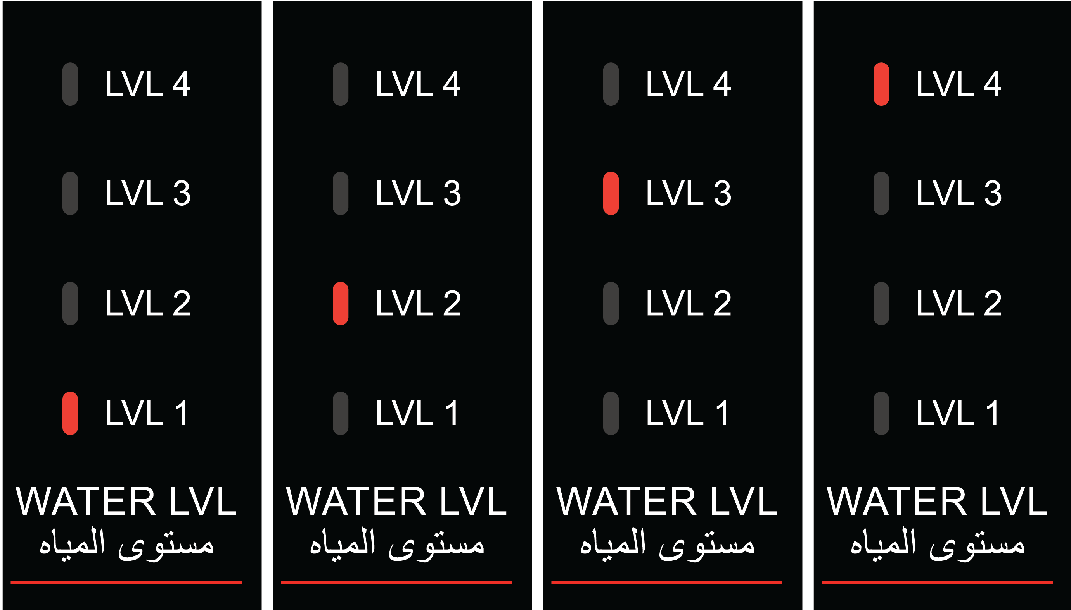
 | After WD |  |  |  |  |  |  |  |  |  |  |  |  | Detected Water Lvl LED is ON |  |  |  |  |  |  |  |  | Duration for hoovered Program for 3 sec then starts counting down. |  | After weight detected Operation starts and 7segments starts counting down | 1. IF level 1 water level detected, the first LED from the bottom will turn ON. 2. IF level 2 water level detected, the second LED from the bottom will turn ON. 3. IF level 3 water level detected, the third LED from the bottom will turn ON. 4. IF level 4 water level detected, the forth LED from the bottom will turn ON.

